Record Pivot
Pennsylvania High School State Championship Records

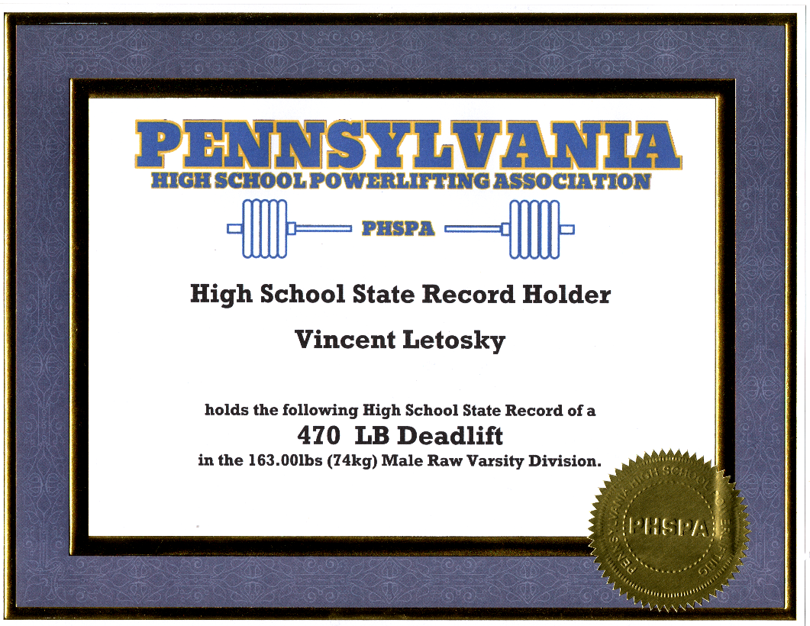
Row Labels | Record Squat | Record Bench | Record Deadlift | Record Total
Men's Equipped Junior Varsity | 485 | 315 | 500 | 1290 | Get Custom State Record Certificates Now
116.75lbs (53kg) | 195 | 90 | 185 | 470
130.00lbs (59kg) | 290 | 175 | 310 | 775
145.50lbs (66kg) | 330 | 195 | 325 | 850
163.00lbs (74kg) | 450 | 265 | 405 | 1120
182.75lbs (83kg) | 390 | 280 | 350 | 980
205.00lbs (93kg) | 475 | 315 | 460 | 1250
231.25lbs (105kg) | 485 | 315 | 500 | 1290
Men's Equipped Varsity | 630 | 430 | 650 | 1675
130.00lbs (59kg) | 415 | 225 | 430 | 1070
145.50lbs (66kg) | 345 | 205 | 340 | 890
163.00lbs (74kg) | 490 | 230 | 475 | 1195
182.75lbs (83kg) | 600 | 330 | 600 | 1440
205.00lbs (93kg) | 610 | 375 | 650 | 1575
231.25lbs (105kg) | 630 | 430 | 615 | 1675
264.50lbs (120kg) | 600 | 390 | 575 | 1565
264.50lbs+ (120kg+) | 460 | 350 | 425 | 1235
Men's Raw Junior Varsity | 530 | 315 | 540 | 1335
116.75lbs (53kg) | 240 | 180 | 315 | 735
130.00lbs (59kg) | 345 | 215 | 375 | 935
145.50lbs (66kg) | 370 | 235 | 435 | 1010
163.00lbs (74kg) | 405 | 250 | 455 | 1080
182.75lbs (83kg) | 475 | 315 | 505 | 1275
205.00lbs (93kg) | 435 | 260 | 525 | 1170
231.25lbs (105kg) | 470 | 300 | 520 | 1265
264.50lbs (120kg) | 530 | 285 | 540 | 1335
264.50lbs+ (120kg+) | 440 | 285 | 500 | 1135
Men's Raw Varsity | 635 | 420 | 575 | 1505
116.75lbs (53kg) | 250 | 150 | 285 | 685
130.00lbs (59kg) | 345 | 205 | 375 | 885
145.50lbs (66kg) | 400 | 280 | 460 | 1060
163.00lbs (74kg) | 475 | 280 | 545 | 1225
182.75lbs (83kg) | 450 | 365 | 535 | 1255
205.00lbs (93kg) | 550 | 405 | 560 | 1505
231.25lbs (105kg) | 545 | 420 | 540 | 1435
264.50lbs (120kg) | 635 | 365 | 575 | 1505
264.50lbs+ (120kg+) | 530 | 375 | 530 | 1350
Men's Raw Youth | 385 | 245 | 435 | 1040
116.75lbs (53kg) | 185 | 120 | 250 | 530
130.00lbs (59kg) | 240 | 160 | 250 | 650
145.50lbs (66kg) | 250 | 155 | 325 | 710
163.00lbs (74kg) | 385 | 225 | 430 | 1040
182.75lbs (83kg) | 355 | 235 | 415 | 950
205.00lbs (93kg) | 315 | 245 | 370 | 900
231.25lbs (105kg) | 360 | 220 | 400 | 980
264.50lbs (120kg) | 375 | 220 | 435 | 1030
264.50lbs+ (120kg+) | 315 | 185 | 330 | 830
Women's Equipped Varsity | 390 | 200 | 360 | 950
125.50lbs (57kg) | 325 | 140 | 275 | 740
138.75lbs (63kg) | 360 | 175 | 305 | 840
152.00lbs (69kg) | 375 | 175 | 300 | 850
167.50lbs (76kg) | 350 | 185 | 320 | 855
185.00lbs (84kg) | 390 | 200 | 360 | 950
185.00lbs+ (84kg+) | 390 | 200 | 295 | 885
Women's Raw High School | 315 | 180 | 355 | 800
103.50lbs (47kg) | 210 | 105 | 235 | 550
114.50lbs (52kg) | 210 | 120 | 270 | 535
125.50lbs (57kg) | 215 | 130 | 305 | 635
138.75lbs (63kg) | 315 | 165 | 300 | 780
152.00lbs (69kg) | 305 | 180 | 345 | 800
167.50lbs (76kg) | 305 | 160 | 315 | 765
185.00lbs (84kg) | 315 | 160 | 300 | 775
185.00lbs+ (84kg+) | 280 | 150 | 355 | 730
Women's Raw Youth | 275 | 125 | 300 | 695
94.75lbs (43kg) | 115 | 70 | 170 | 355
125.50lbs (57kg) | 200 | 100 | 255 | 555
138.75lbs (63kg) | 225 | 100 | 280 | 605
167.50lbs (76kg) |  | 50 | 155 | 0
185.00lbs (84kg) | 240 | 120 | 240 | 600
185.00lbs+ (84kg+) | 275 | 120 | 300 | 695
(blank)
(blank)
Women's Raw Junior Varsity | 375 | 155 | 320 | 845
103.50lbs (47kg) | 165 | 80 | 205 | 450
114.50lbs (52kg) | 180 | 100 | 265 | 540
125.50lbs (57kg) | 220 | 105 | 265 | 590
138.75lbs (63kg) | 245 | 135 | 240 | 620
152.00lbs (69kg) | 300 | 135 | 320 | 745
167.50lbs (76kg) | 220 | 130 | 280 | 595
185.00lbs (84kg) | 210 | 110 | 250 | 530
185.00lbs+ (84kg+) | 375 | 155 | 315 | 845
Women's Equipped Junior Varsity | 300 | 140 | 260 | 700
125.50lbs (57kg) | 275 | 120 | 250 | 645
152.00lbs (69kg) | 300 | 140 | 260 | 700
Women's Equipped JV | 215 | 120 | 225 | 550
94.75lbs (43kg) | 215 | 115 | 220 | 550
125.50lbs (57kg) | 195 | 120 | 215 | 530
185.00lbs (84kg) | 180 | 85 | 225 | 490
Women's Raw JV | 220 | 120 | 270 | 605
103.50lbs (47kg) | 145 | 120 | 175 | 425
114.50lbs (52kg) | 105 | 55 | 140 | 300
125.50lbs (57kg) | 220 | 115 | 270 | 605
138.75lbs (63kg) | 145 | 85 | 230 | 450
152.00lbs (69kg) | 170 | 95 | 260 | 515
167.50lbs (76kg) | 165 | 80 | 210 | 455
185.00lbs+ (84kg+) | 210 | 90 | 265 | 560
Women's Raw Varsity | 320 | 165 | 360 | 835
114.50lbs (52kg) | 220 | 135 | 275 | 600
125.50lbs (57kg) | 215 | 100 | 250 | 565
138.75lbs (63kg) | 245 | 120 | 265 | 610
152.00lbs (69kg) | 320 | 155 | 360 | 835
167.50lbs (76kg) | 240 | 165 | 285 | 660
185.00lbs (84kg) | 200 | 120 | 230 | 550
185.00lbs+ (84kg+) | 300 | 135 | 300 | 735
Grand Total | 635 | 430 | 650 | 1675

